MTS Appstore Changes
Please see details of change request for MTS App Store Mobile App

1. Please redesign the user interface to new design (PDF attached seperately)

1.a) Existing Design |  |  |  | 1.b) New Design
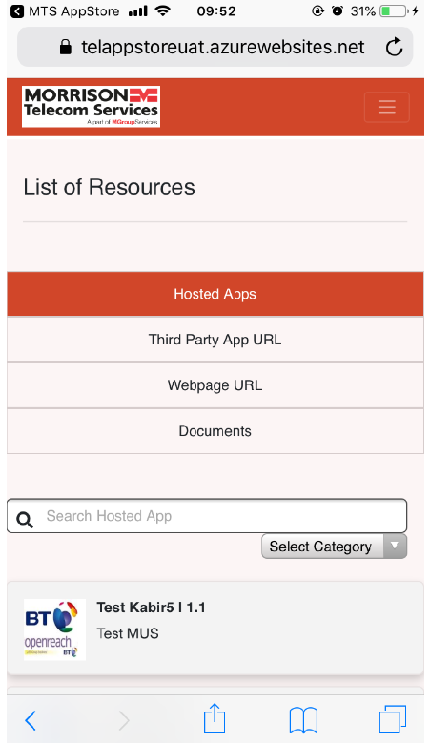
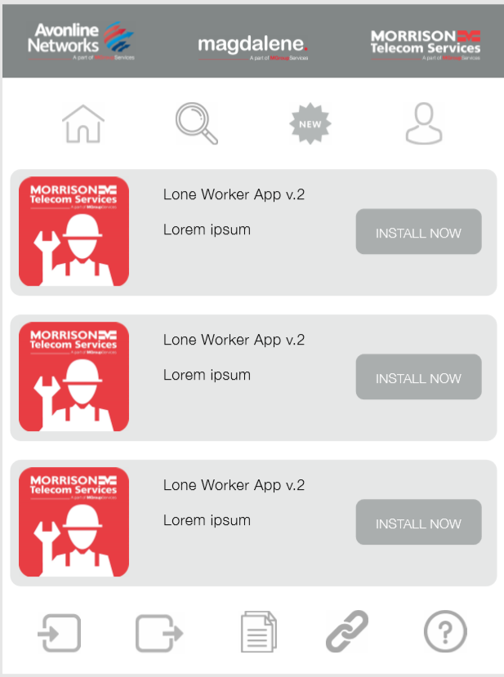

The new design image 1.b will be the new home page and should replace the existing design image 1.a

The icons at the top of the page from left to right represent the following

Home Page
Universal Search Bar
Whats New
Profile

The icons at the bottom of the screen from left to right represent the following

Internal Apps
External Apps
Useful Files
Useful Links
Help & Support

2. When you click on any of the icon the top banner with company logos and the icons should remain on the page but only the middle section of the page change as per the content of what icon is clicked
(We will mange the content of what is displayed for the following tabs through the admin view - Whats New, Internal Apps, External Apps, Usefule Files and Useful Links)

2.a) On the Profile page please add name of user and Sign Out button
2.b) On Help & Support page please add message 'For any Help or Support queries please email BT.OptiMUS@morrisonts.co.uk' and add link to email if possible
2.c) The What New page we contain details of when apps have been updated (Version number, Version History, date updated & description of update) the same will apply for any files that are updated

3. The Categories bar should be added to the following tabs showing the categories below, please add this to the top of the page below the home button

Standard categories list |  |  |  |  | View of current design
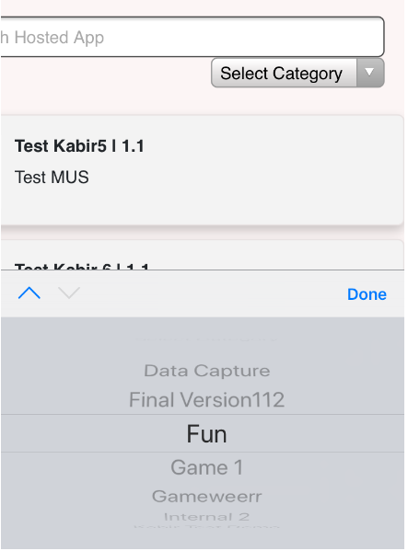
Internal Apps | External Apps | Useful Files | Useful Links
Health & Safety | Health & Safety | Health & Safety | Health & Safety
Training | Training | Training | Training
Field Services | Field Services | Field Services | Field Services
Business | Business | Business | Business
Top Apps | Top Apps
Recommended For You | Recommended For You

4. In the search bar change the text to Search MTS App Store *Please change text to Search App Store*

5. Current view of Hosted Apps page

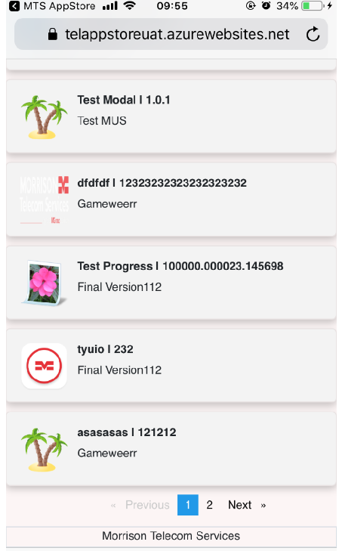

5.a) Add Install Now button on the right hand side next to App name and description that take you to the Installl app page, currently you have to click on app name for this

6. Current view of App Install page

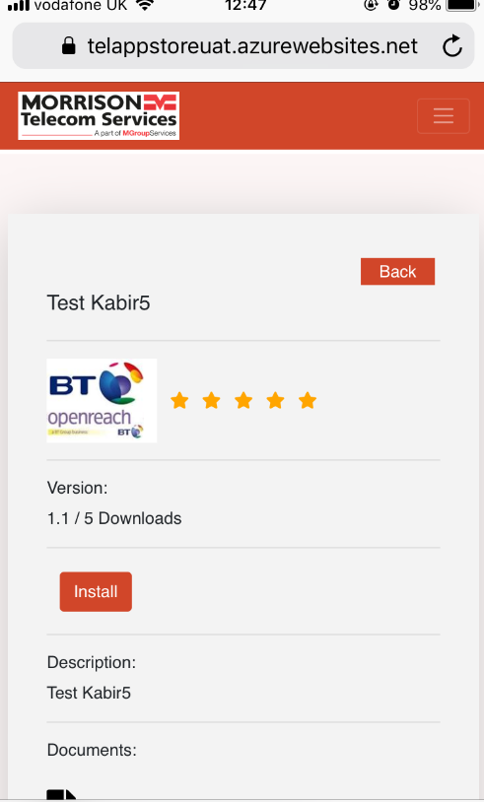

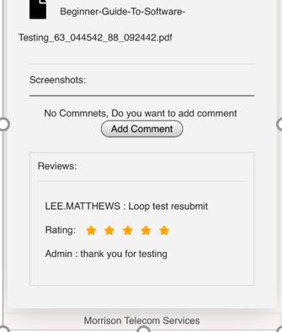

6.a) Change text from Screenshots tp Preview
6.b) Change Add Comment to Add Review
6.c) Remove text above Add Comment
6.d) Change text 'Reviews:' to Ratings & Reviews
6.e) Change text at the bottom from Morrison Telecom Services to MTS App Store *Change back to Morrison Telecom Services*
6.f) Change 'Documents:' text to a links icon same as the links icon from home page
6.g) Change' Admin' in Reviews to MTS App Store response *Change to App Store Response*
6.e) Add numeric rating out of 5 similar to below
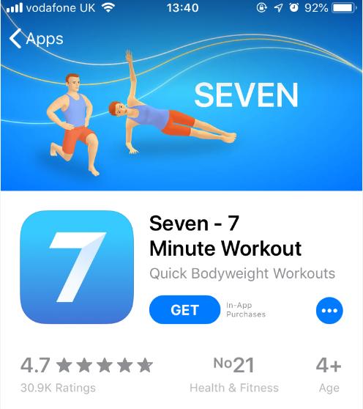

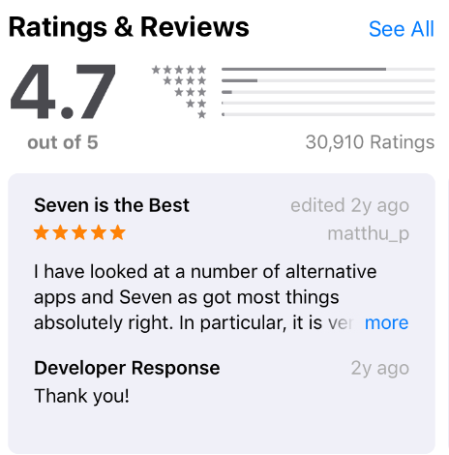

7. Remove Menu button

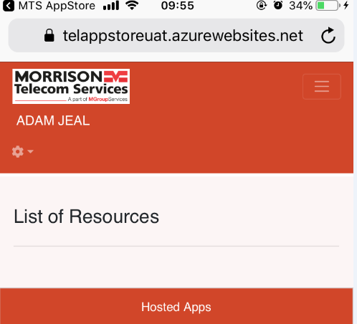

8. Install App screen current view

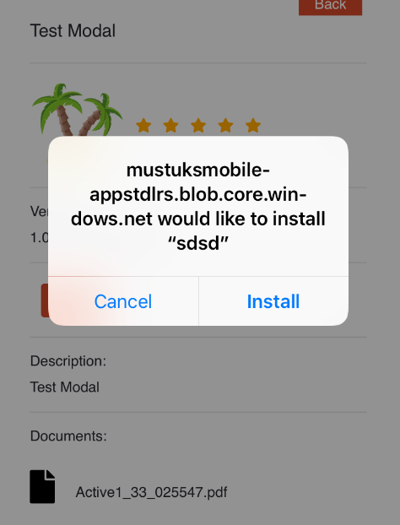

8.a) Can message display MTS App Store would like to install “App Name” *Developers advised this is not achievable*
8.b) Once Install is clicked can we add an installing app image that changes Install button to Installed once it has completed

Admin View Changes
Please make the following changes to Admin view

1.a) Current design |  |  |  |  |  |  | 1.b) New Image

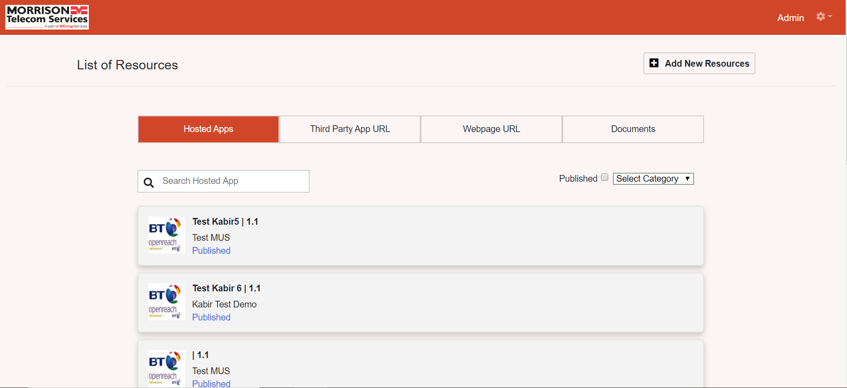

1.c) Add logos for Avonline, Magdalene and Morrison Telecom Serives to the top bar same as MTS Appstore view
Change colour theme to match New Image (1.b)

1.d) Change text on the tabs to below and add logos from app view before the text, also add 2 new tabs 'What New' and 'Help/Support' as below with logos from (1.b)

 | Add New
 | Internal Apps | External Apps | Useful Files | Useful Links | Whats New | Help / Support

Add new button 'Add New' which will have same functionality as existing 'Add New Resources' button
Remove 'List of Resources' text and remove Add New Resources button
Add the Home icon in place of Morrison Telecom Services logo using Home Logo supplied

1.e) Change text Admin to Admin View and change settings icon to a Menu icon
Add the following option to Menu list
Category List

Add a new Profile icon to the top bar using the logo supplied add the following options in this list
Reset Password
Sign Out
Change the search bar to the search logo when clicked this should open up the search bar, the text inside the bar should be changed to match the new tab names.

1.f) Change Text at the bottom of the screen to MTS AppStore Admin View *Change back to Morrison Telecom Services*

Additional Requirements
Requirements Summary
-Add new functionality to Useful Files tab to allow for Files to be sorted into Folders -There should be standard set of folders (Business, Field Services, Health & Safety & Training) and also the option to create new folders -All Files should be sorted into Folders

-The same file should not be able to be added to multiple Folders
-Custom Folders should have functionality to be made Private and only viewable to Users with permission to view - this should be managed from the Admin View

1. Admin View
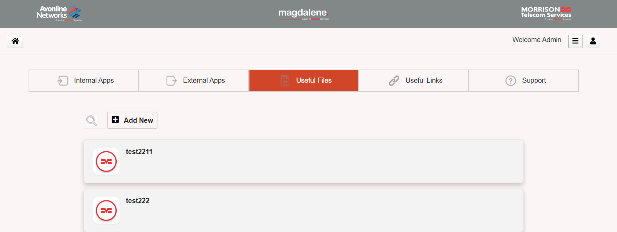

2. Change Add New button text to Add New File

3. Create a new button Add New Folder, this should have the following information

Folder Name
Add Files
Folder Type - Public or Private | If Private provide way of making visible to certain group of users

4. Add New view
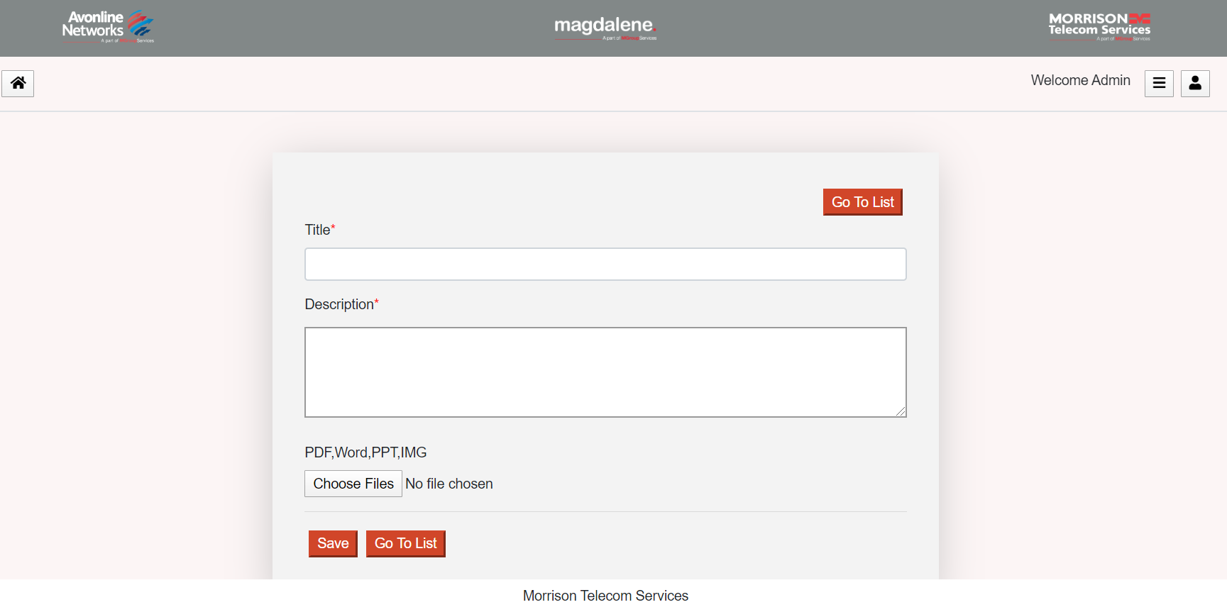

5. After Description field add option to add to standard list of folders, if User does not want to add to this list provide option to create a new folder from this page

6. Useful Links tab should also be sorted by the following categories
Business
Field Services
Health & Safety
Training

7. Please change App name from MTS App Store to Telecom App Store this needs to be changed in all the places where MTS App Store or Morrison Telecom Services is referenced

